5B
F5-2 |  |  |  | 5-14
 | FB= | 4 | kN |  | F1= | 800 | N
 | x1= | 1.5 | m |  | F2= | 600 | N
 | x2= | 1.5 | m |  | M1= | 900 | N*m
 | θ FC= | 45 | deg |  | x1= | 1 | m
 |  | 12 | kN*m |  | x2= | 2 | m
 | FC= | 11.31 | kN |  | x3= | 4 | m
 |  |  |  |  | y= | 1.5 | m
 | Ax= | -8 | kN |  | rat FBx= | 0.6
 | Ay= | -12 | kN |  | rat FBy= | 0.8

 |  |  |  |  | FBC= | 3916.67 | N
 |  |  |  |  | FBC= | 3.92 | kN

 |  |  |  |  | Ax= | 3133.33 | N
 |  |  |  |  | Ay= | 950.00 | N

FBD of the beam:
A_{X}
A_{Y}
A
1.5 m
C
B
4 kN
F_{C}
45°
1.5 m
FBD of the beam
1 m
2 m
600 N
800 N
900 N⋅m
B
A
A_{Y}
A_{X}
F_{BC}
3
4
1 m

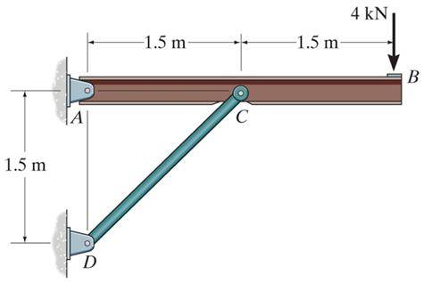
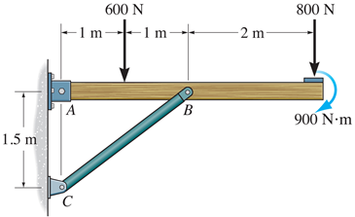

5C
F5-12 |  |  |  | F5-7 |  |  |  | 5-71
 | F= | 80 | lb |  | F1= | 200 | lb |  | F1= | 600 | N
 | y= | 6 | ft |  | F2= | 500 | lb |  | F2= | 800 | N
 | x1,2= | 1.5 | ft |  | x1= | 2 | ft |  | x1= | 0.4 | m
 | x3= | 3 | ft |  | x2= | 4 | ft |  | x2= | 0.8 | m
 |  |  |  |  | y1= | 1.5 | ft |  | y1= | 0.8 | m
 | FBC= | 40 | lb |  | y2= | 3 | ft |  | y2= | 1.6 | m
 | Az= | 40 | lb |  |  |  |  |  | Ay= | 0 | N
 |  |  |  |  |  |  |  |  | (MA)z= | 0 | N
 | (MA)x= | -240 | lb*ft |  |  |  |  |  | NB= | 1000 | N
 |  |  |  |  | TC= | 100 | lb |  | Az= | -400 | N
 |  |  |  |  | TA= | 350 | lb |  | (MA)y= | -560 | N*m
 |  |  |  |  | TB= | 250 | lb

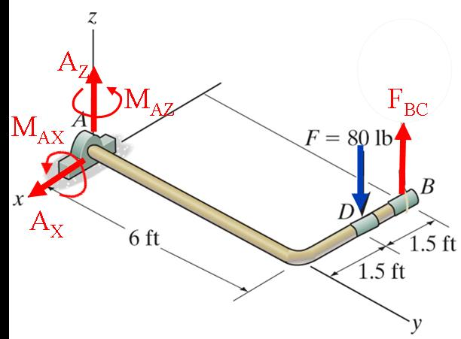
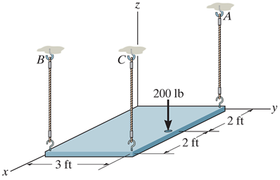
1.5 ft
T_{B}
T_{A}
T_{C}
500 lb
200 lb
